Characters
 |  | List of Generals & Brigadiers | https://en.wikipedia.org/wiki/List_of_British_generals_and_brigadiers
 |  | List of admirals of the fleet | https://en.wikipedia.org/wiki/Admiral_of_the_Fleet_(Royal_Navy)#Admirals_of_the_Fleet

Board of Ordnance |  | The introduction of gunpowder to Europe led to innovations in offensive weapons such as cannon and defences such as fortifications. In the 1370s, to manage the new technology, the royal household appointed a courtier to administer weapons, arsenals and castles. The office and main arsenal were located in the White Tower of the Tower of London. The earliest known Master of Ordnance was Nicholas Merbury, appointed about 1415-1420 by Henry V of England. Merbury was present at the Battle of Agincourt. The Office of Ordnance was created by Henry VIII of England in 1544 and became the Board of Ordnance in 1597, its principal duties being to supply guns, ammunition, stores and equipment to the King's Navy. | https://en.wikipedia.org/wiki/Board_of_Ordnance#Principal_officers | 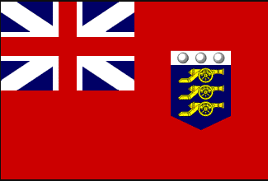
Regiment of Invalids |  | Corp of retired and injured soldiers formed in 1688 and reformed several times. Their legacy are the Chelsea Pensioners. | https://en.wikipedia.org/wiki/Corps_of_Invalids_(Great_Britain)

 | William III | 1689 -1702
 | Queen Anne | 1702 - 1714
 | George I | 1714 - 1727
 | George II | 1727 - 1760
 | George III | 1760 - 1820

Last | First | Position | Web | Signature
Armstrong | John | Major-General John Armstrong (31 March 1674 – 15 April 1742) was a British military engineer and soldier, who served as Chief Royal Engineer and Surveyor-General of the Ordnance. | https://en.wikipedia.org/wiki/John_Armstrong_(British_Army_officer)
Ashe | Edward | Storekeeper of the Ordnance. Edward Ashe of Heytesbury, Wiltshire was an English landowner, and Member of Parliament for Heytesbury for 52 years, from 1695 to 1747. | https://en.wikipedia.org/wiki/Edward_Ashe_(died_1748)
Ayres | George | Master of the hoy Marlborough
Baskett |  | supplier of paper based in London
Batt | William | Master of Pomroy hoy 1718
Baxter | John | Captain. Storekeeper Office of Ordnance, Portsmouth from 1719
Baxter | Moses | Master Gunner, Portsmouth
Baylis |  | Operative at Portsmouth dockyard stores.
Beale | Peter | Master of the Prosperous hoy
Belasyse | Henry | Sir Henry Belasyse, also spelt Bellasis, was an English military officer from County Durham, who also sat as MP for a number of constituencies between 1695 and 1715. Beginning his military career in 1674 under William of Orange, he proved an effective soldier who was trusted with a variety of senior commands, but was unpopular with his contemporaries | https://en.wikipedia.org/wiki/Henry_Belasyse_(died_1717)
Boddington | John | Office of Ordnance, Tower of London 1766 | https://discovery.nationalarchives.gov.uk/details/r/C9232019
Boor | Jacob | Brigadier General | https://www.armedconflicts.com/Jacob-Borr-s-Regiment-of-Foot-t111264
Borgard | Albert | A Dutch-born artillery officer who joined the British service at the age of 37. Having established himself as a highly competent officer he was appointed chief fire-master on 9 August 1712. In 1713 he made use of some of his old Berlin lessons in "pleasant fireworks", and, to quote his own words, "made pleasure fireworks which were burnt on the River Thames in the month of August over against Whitehall on the Thanksgiving-day for the peace made at Utrecht". In 1715 he commanded the train of artillery sent to the Duke of Argyll in Scotland, in 1718 he was made assistant-surveyor of ordnance, and in 1719 commanded the artillery in the expedition to Vigo. This was Colonel Borgard's last piece of active service; but his greatest service of all was the formation of the Regiment of Royal Artillery. | https://en.wikipedia.org/wiki/Albert_Borgard
Bowerbank | Thomas | Commander Portsmouth dockyard.
Bridges | William | admiralty board at the Tower
Brockharel |  | Storekeeper at Greenwich - 1710 | https://www.historyofparliamentonline.org/volume/1690-1715/member/bridges-william-1714
Brown | John | Waggoner 1715
Brown | William | Master gunner HMS Kent (1696)
Buck | Leonard | Master gunner HMS Nassau 1705
Burdock | Thomas | Master gunner of Calshot Castle 1710
Burton | Joseph | commissary Tower of London
Bush | Charles | Clerk, Office of Ordnance at The Tower of London.
Butler | William | Master of open Hoy Jane
Byng | George | Admiral of the Fleet George Byng, 1st Viscount Torrington, of Southill Park in Bedfordshire, was a Royal Navy officer and statesman.
Caulfield | William | Caulfeild was the son of William Caulfeild, 1st Viscount Charlemont of County Armagh, whom he succeeded in 1671 and Sarah Moore, daughter of Charles Moore, 2nd Viscount Moore of Drogheda. | https://duckduckgo.com/?q=sir+george+byng&hps=1&atb=v328-4__&ia=web
Cavendish | Philip | The illegitimate son of William Cavendish, 1st Duke of Devonshire M.P . He joined the navy and was a lieutenant RN in 1694 and captain in 1701. From 1705, he was porter of St James's Palace. He married Anne Carteret, daughter of Edward Carteret. In 1719, he led a British squadron at the Battle of Cape St Vincent. | https://en.wikipedia.org/wiki/William_Caulfeild,_2nd_Viscount_Charlemont
Charlemont | Lord | see: William Caulfield | https://en.wikipedia.org/wiki/Philip_Cavendish
Chichester | Arthur | Arthur Chichester, 3rd Earl of Donegall (1666 – 10 April 1706) was an Irish nobleman and soldier. | https://en.wikipedia.org/wiki/Viscount_Charlemont
Chipps | William | Ordnance office | https://en.wikipedia.org/wiki/Arthur_Chichester,_3rd_Earl_of_Donegall
Churchill | John | Duke of Marlborough 1650 - 1772
Clarke | Josias | Master Cooper, Portsmouth | https://en.wikipedia.org/wiki/John_Churchill%2C_1st_Duke_of_Marlborough
Clayton | Thomas | Master gunner HMS Canterbury 1714
Coales or Cole | Thomas | Master of The Charles hoy
Collett | George | storekeeper Office of Ordnance at Chatham
Coward | Peter | Barrack Master and Clerk to the Storekeeper to the Office of Ordnance Portsmouth.
Craggs | James | admiralty board
Cripps | John | Painter, Portsmouth Dockyard | https://en.wikipedia.org/wiki/James_Craggs_the_Elder |  | https://www.historyofparliamentonline.org/volume/1690-1715/member/craggs-james-i-1657-1721
Cuyler | Cornelius | General Sir Cornelius Cuyler, 1st Baronet was a British Army officer who became Lieutenant-Governor of Portsmouth.
Daniel (Cpt.) | Lionel | Commander HMS Assurance 1749 | https://en.wikipedia.org/wiki/Cornelius_Cuyler
Dawson | Jonathan | Office of Ordnance at the Tower of London.
Derbyshire | Henry | Master Gunner HMS Humber. 1717
Dillington | Tristram | DILLINGTON, Sir Tristram, 5th Bt. (c.1677-1721), of Knighton, I.o.W.
Dixon | William | Office of Ordnance Storekeeper at Plymouth (1718). | https://historyofparliamentonline.org/volume/1715-1754/member/dillington-sir-tristram-1677-1721
Douglas | Captain | HM Gun boat L'Éclair
Eade | Matthew | master gunner of HMS Gosport 1709
Eddowes | Robert | Ordnance Storekeeper Portsmouth Dockyard 1758
Edmonds | John | master of the Hoy Content 1718
Edwards | Talbot | Captain of Royal Engineers at Fort Blockhouse. chief engineer in Barbados and the Leeward Islands, who was later appointed Deputy Chief Engineer of Great Britain.
Ellys | Thomas | Boatswain Portsmouth Dockyard | https://discovery.nationalarchives.gov.uk/details/r/C9775299
Erle | Thomas | Lieutenant-General Thomas Erle PC (1650 – 23 July 1720) was an English army general and politician who sat in the House of Commons of England and of Great Britain from 1678 to 1718. He was Governor of Portsmouth and a Lieutenant-General of the Ordnance.
Fellows | Nicholas | Master of Elizabeth and Mary hoy. | https://en.wikipedia.org/wiki/Thomas_Erle
Felton | James | Storekeeper Office of Ordnance, Woolwich
Fitchett | Edward | Master of Isaac & Elizabeth Hoy 1719
Frankland | Thomas | Sir Thomas Frankland, 2nd Baronet (September 1665 – 30 October 1726), of Thirkleby Hall in Yorkshire, was an English landowner and Whig politician who sat in the English and British House of Commons from 1685 to 1711. He was joint Postmaster General from 1691 to 1715.
Freeman | Thomas | Master bricklayer at Portsmouth | https://en.wikipedia.org/wiki/Sir_Thomas_Frankland,_2nd_Baronet
Garrett | Rich | see 17070818 unreadable
Gibbon | G | Captain company of invalids. The Corps of Invalids was a British unit that provided garrison troops for the defence of England and Great Britain between 1688 and 1802.
Gibson | Rowland | officer of the Office of Ordnance at Woolwich.
Goldring | John | Waggoner
Gray | Honathan | master of the storeship Ann. 1710
Hamilton | John | Brigadier, Regiment of Foot
Hardy | Charles | Sir Charles Hardy (c. 1714 – 18 May 1780) was a Royal Navy officer and politician who sat in the House of Commons between 1764 and 1780. He served as colonial governor of New York from 1755 to 1757. In 1779 he was made admiral of the white and commanded the channel fleet.
Harford | Walter | Portsmouth yard | https://en.wikipedia.org/wiki/Charles_Hardy
Harmood | John | plumber Portsmouth and Blockhouse | 17060213 make good pallasades and gates
Haro | Charles | SIR CHARLES HARO, LIEUTENANT GENERAL Royal regt. of Fusiliers. At the revolution he had a company in the foot guards, was afterward lieutenant colonel to that regiment: was made colonel to the fusiliers, and gradually advanced to the post he now has, which he well deserves, being of good understanding, and abundance of learning; fit to command, if not too covetous; he is a short, black man, 50 years old. His father was a groom; he was a man of sense, without one grain of honesty.
Harrison | William | officer of the Office of Ordnance Tower of London | https://en.wikisource.org/wiki/Page:The_Works_of_the_Rev._Jonathan_Swift,_Volume_18.djvu/250
Hill | John | Lieutenant General of the Ordnance Board. | https://en.wikipedia.org/wiki/John_Hill_(courtier)
Hodshon | William | master gunner HMS Towy 1719
Holborne | Francis | Admiral Sir Francis Holburne (1704 – 15 July 1771) was a Royal Navy officer and politician. He served as commodore and commander-in-chief at the Leeward Islands during the War of the Austrian Succession and then took part in an operation to capture Louisbourg as part of the Louisbourg Expedition during the Seven Years' War. He went on to be Port Admiral at Portsmouth and then Senior Naval Lord. In retirement he became Governor of Greenwich Hospital. He also served as a Member of Parliament.
Hooper | John | Storekeeper Office of Ordnance, Portsmouth until 1720 | https://en.wikipedia.org/wiki/Francis_Holburne
Hopson | Peregrin | (5 June 1696 – 27 February 1759) was a British army officer who commanded the 40th Regiment of Foot and saw extensive service during the eighteenth century and rose to the rank of Major General. He also served as British commander in Louisbourg during the British occupation between 1746–1749, then became Governor of Nova Scotia and later led a major expedition to the West Indies during the Seven Years' War during which he died.
Howe | Richard | Admiral of the Fleet Richard Howe, 1st Earl Howe, was a British naval officer. After serving throughout the War of the Austrian Succession, he gained a reputation for his role in amphibious operations against the French coast as part of Britain's policy of naval descents during the Seven Years' War. | https://en.wikipedia.org/wiki/Peregrine_Hopson
Hubbard | John | appointed captain of HMS Triumph 22.12.1708 until 4.9.1709. On 9.9.1709 he was Appointed Commander-in-Chief — Portsmouth. Died 1723 | https://en.wikipedia.org/wiki/Richard_Howe,_1st_Earl_Howe
Hutchinson | William | master gunner HMS Bristol 1719 | https://duckduckgo.com/?q=captain+john+hubbard&atb=v328-1&ia=web
Jeffries | Ralph | master gunner HMS Torbay 1704
Jenkins | Thomas | Master gunner HMS Assurance 1749
Jones | Bell | Captain, Office of Ordnance at the Tower of London
Jones | John | Tower of London.
Kerr | Mark | Lord Mark Kerr (baptised 1 April 1676 – 2 February 1752) was a Scottish-born professional soldier, who served in the War of the Spanish Succession and the War of the Quadruple Alliance. He reached the rank of General in the British Army, and held a number of important administration posts, including Governor of Edinburgh Castle.
Legge | William | William Legge (1608 – 13 October 1670) was an English royalist army officer, a close associate of Prince Rupert of the Rhine. | https://en.wikipedia.org/wiki/Lord_Mark_Kerr_(British_Army_officer,_born_1676)
Lister | Chris | Office of Ordnance Tower of London | https://en.wikipedia.org/wiki/William_Legge_(Royalist)
Lowsher | Ja | admiralty board
Lowther | Rob | Office of Ordnance Robert Lowther (13 December 1681 – September 1745) was an English landowner, holding the estate of Maulds Meaburn, and colonial governor. He was the eldest son of Richard Lowther and Barbara Prickett. | https://en.wikipedia.org/wiki/Robert_Lowther_(colonial_administrator)
Lowther | James | Sir James Lowther, 4th Baronet, FRS (1673 – 2 January 1755) was an English landowner, industrialist and Whig politician who sat in the House of Commons for 54 years between 1694 and 1755. His ownership and development of coal mines around Whitehaven in Cumberland gave him substantial revenues, and he was reputed the richest commoner in England. | https://en.wikipedia.org/wiki/Sir_James_Lowther,_4th_Baronet
Luck | Oliver | Captain Churchill's regiment - probably referring to Duke of Marlborough
Matthew | Thomas | master of the hoy Jane Close
Maxwell | Archibald (senior) | Blacksmith at Portsmouth
Maxwell | Archibald (junior) | Blacksmith at Portsmouth
Mcghells | James | Vice Admiral - Mighells was given command of HMS Monck and distinguished himself in a sea battle off Málaga in 1704. He commanded an expedition off the coast of Spain in 1719 during the War of the Quadruple Alliance. He commanded the naval contingent in the Raid on Vigo, a naval descent on the Spanish port town of Vigo. The land forces were under the command of Lord Cobham who successfully occupied Vigo and sent forces into the surrounding countryside. In 1722 he was appointed Comptroller of the Navy. He died in 1733 and is buried in Lowestoft Church. | https://en.wikipedia.org/wiki/James_Mighells
Mears | John | Hoy Skipper
Mesh | Francis | master of the hoy Richard & Mary
Mesurier | Thomas | master of the Hoy 'Charles'
Mighells | James | Vice admiral 1719 - Mighells was given command of HMS Monck and distinguished himself in a sea battle off Málaga in 1704. He commanded an expedition off the coast of Spain in 1719 during the War of the Quadruple Alliance. He commanded the naval contingent in the Raid on Vigo, a naval descent on the Spanish port town of Vigo. The land forces were under the command of Lord Cobham who successfully occupied Vigo and sent forces into the surrounding countryside. In 1722 he was appointed Comptroller of the Navy. He died in 1733 and is buried in Lowestoft Church. | https://en.wikipedia.org/wiki/James_Mighells
Morries | S | HMS Canterbury - possibly clerk.
Munden | Brigadier | 1680-1725 Army officer and politician. Was taken prisoner at the Battle of Brihuega in December 1710. Promoted to Brigadier General in 1712. In 1715 he commanded the 13th light Dragoons. | https://en.wikipedia.org/wiki/Richard_Munden_(British_Army_officer)
Musgrave | Christopher | Christopher Musgrave (1664-1718). Ordnance officer and son of Sir Christopher Musgrave 4th Baronet. MP for Carlisle 1690-94 & 1702. | https://www.historyofparliamentonline.org/volume/1690-1715/member/musgrave-christopher-1664-1718
Myngs | Christopher | commander HMS Namur in the battle of Malaga in 1704; was afterwards commissioner of the navy at Portsmouth and son of 'Cromwell's Pirate' the notorious Sir Christopher Myngs (1625-1666). | Died 1725
Nicholson | Francis | Lieutenant-General Francis Nicholson (12 November 1655 – 16 March, 1728 [O.S. 5 March 1727]) was a British Army general and colonial official who served as the Governor of South Carolina from 1721 to 1725. | https://en.wikipedia.org/wiki/Francis_Nicholson
Norris | John | Admiral of the Fleet Sir John Norris PC (1670 or 1671 - 13 June 1749) was a Royal Navy officer and Whig politician. After serving as a junior officer during the Nine Years' War and the Williamite War in Ireland, he was given command of a squadron sent to North America to protect British settlements on the banks of Hudson Bay in 1697. commander of HMS Gosport 1709 | https://en.wikipedia.org/wiki/John_Norris_(Royal_Navy_officer)
Osbourn | Henry | Port admiral at Portsmouth 1756-1757.
Ogbourne | William | Carpenter Portsmouth Dockyard.
Parker | P | Office of Ordnance
Pattison | Thomas | Captain working with the Ordnance Office at Gun Wharf in Portsmouth C1717
Pocock | John | Colonel known for raising the regiment of foot. | https://en.wikipedia.org/wiki/John_Pocock
Pouncy | Henry | Frobusher (cleaner of weapons) at Portsmouth
Price |  | Commander HMS Summerset
Price | William | master of the hoy Rebecca
Richards | Michael (Sir) | Michael Richards (1673–1721) was an Irish military engineer who rose to become Chief Engineer of Great Britain and Surveyor-General of the Ordnance. | https://en.wikipedia.org/wiki/Michael_Richards_(engineer)
Roberson | Leonard | master of the hoy Ann
Roberts | Henry | (1756-1796) Served with Captain Cook on Discovery and commanded the newly build Discovery and went on to command HMS Undaunted. He died of yellow fever in 1796.
Rochefoucauld | François | Field Marshal François de La Rochefoucauld, Marquis de Montandre, also known as Francis de La Rochefoucauld, (September 1672 - 11 August 1739) was a British soldier, who arrived in England as a Huguenot refugee. After serving as a junior officer during the Williamite War in Ireland, he was given command of Francis du Cambon's Regiment of Foot and led his regiment in the Low Countries during the Nine Years' War . He also fought at the Siege of Badajoz and at the Battle of Alcantara during the War of the Spanish Succession. He went on to be Master General of the Ordnance in Ireland. | https://military-history.fandom.com/wiki/Fran%C3%A7ois_de_La_Rochefoucauld,_marquis_de_Montendre
Rolloe | John | Master gunner of HMS Defiance 1703
Romer | William | Colonel Wolfgang William Romer (23 April 1640 – 15 March 1713) was a Dutch military engineer, born at The Hague. | https://en.wikipedia.org/wiki/Wolfgang_William_Romer
Seamor | William | Lieutenant-General William Seymour (8 February 1664 – 9 or 10 February 1728) was a British soldier and politician. He was the second son of Sir Edward Seymour, 4th Baronet, the prominent Tory. He served successively as Member of Parliament for Cockermouth, Totnes and Newport, Isle of Wight. | https://en.wikipedia.org/wiki/William_Seymour_(British_Army_officer,_born_1664)
Shihan | John | Master gunner at Cowes Castle, Isle of Wight
Sidney | Henry | Henry Sidney, 1st Earl of Romney (also spelt Sydney; March 1641 – 8 April 1704) was an English Whig politician, Master General of His Majesty's Ordnance 1693-1703. A soldier and administrator. He is now best remembered as one of the Immortal Seven who drafted the Invitation to William of Orange, which led to the November 1688 Glorious Revolution and subsequent deposition of James II of England. | https://en.wikipedia.org/wiki/Henry_Sydney,_1st_Earl_of_Romney
Silvester | Thomas | Father of Edward Silvester.
Silvester | John | Armourer at Portsmouth. Small arms.
Silvester | Edward | Master smith - Portsmouth
Silvester | Henry | Master smith - Portsmouth
Stanyford | Henry | Master Carpenter to the Office of Ordnance Portsmouth. Also captain of companies formed out of the inhabitants of Portsmouth; presumably, a militia.
Swift | James | Master of hoys Pomroy & Unity
Tankorill | James | Master Gunner of HMS Towey 1709
Townsend | Isaac | 1656 - 1731. Commissioner, Office of Ordnance, Portsmouth. Buried at Winchester Cathedral. Often confused with his uncle (1685 - 1765) who was also a Naval officer. | https://threedecks.org/index.php?display_type=show_crewman&id=2327
Urry | David | Master & commander Hm Yacht Bolton 1715
Veale | Richard | Storekeeper for Office of Ordnance at Portsmouth 1766 onward.
Vernon | Edward | Admiral Edward Vernon was an English naval officer. He had a long and distinguished career, rising to the rank of admiral after 46 years service. As a vice admiral during the War of Jenkins' Ear, in 1739 he was responsible for the capture of Porto Bello, seen as expunging the failure of Admiral Hosier there in a previous conflict. | https://duckduckgo.com/?q=Admiral+Edward+Vernon+(1684-1757)&atb=v328-4__&ia=web
Wagstaff | William | Fort Blockhouse.
Watkins | Patrick | Master gunner HMS Neptune 1715/6
Wheate | Thomas | storekeeper Office of Ordnance | https://historyofparliamentonline.org/volume/1690-1715/member/wheate-thomas-1667-1721
Whitacker | Mr. | Ordnance office
White | Thomas | Office of Ordnance, politician. | https://historyofparliamentonline.org/volume/1690-1715/member/white-thomas-ii-1667-1732
Williams | William | master gunner HMS Ludlow Castle 1749
Wills | Charles | British Army officer and politician who served as Lieutenant-General of the Ordnance from 1718 to 1741. | https://en.wikipedia.org/wiki/Charles_Wills
Windsor | Dixie | Storekeeper of the Ordnance | https://en.wikipedia.org/wiki/Storekeeper_of_the_Ordnance
Yorke | Joseph Sydney | Admiral Sir Joseph Sydney Yorke KCB (6 June 1768 – 5 May 1831) was an officer of the Royal Navy. As a junior officer he saw action at the Battle of the Saintes in April 1782 during the American Revolutionary War. He commanded HMS Stag at the defeat of the Dutch fleet in August 1795 during the French Revolutionary Wars and went on to be First Naval Lord during the closing stages of the Napoleonic Wars. | https://en.wikipedia.org/wiki/Joseph_Sydney_Yorke

Items, Terms and Abbreviations
Item | Description
&c | Etcetera
18 Pounder | an intermediary calibre piece of naval artillery mounted on warships of the Age of Sail. They were used as main guns on the most typical frigates of the early 19th century, on the second deck of third-rate ships of the line, and even on the third deck of late first-rate ships of the line. | https://en.wikipedia.org/wiki/18-pounder_long_gun
Acct | account
Aprons of lead | Sheets of lead with “fingers” were used to cover the touch hole of a cannon, protecting the powder and the fuse from water spraying into the gun ports. Lead is malleable and could be formed to the shape of the cannon barrel, while the fingers could be bent to create a tight fit around the breech of the cannon. A hole on either edge of the apron would fit a lash to keep the apron tied in place. Many of the cannon aprons from Queen Anne’s Revenge (Blackbeard's flagship) also have a variety of marks carved into them, the most obvious are “wigglework” M’s or W’s and etched arrows. These marks appear similar to those carved into timbers in 17th and 18th century English homes, called “apotropaic” symbols, meant to protect the residents from witchcraft.
Archd | Archibald
Artificer | A skilled craftsman
Axletree/axtree | A bar or beam of wood or iron, connecting the opposite wheels of a carriage, on the ends of which the wheels revolve.
Barras | A coarse linen fabric originally imported from Holland. The word was in use in the seventeenth century. The word also refers to a Glaswegian market place traditionally a place where fabric was sold. | https://en.wiktionary.org/wiki/barras
Baulk | A heavy wooden beam, generally a whole log that has been squared off and used to provide heavy support for something such as a roof.
Bed | Wooden plate on a gun carriage onto which the coins would be mounted.
Bishop Mark | So named after Henry Bishop who, as Britain’s Postmaster General from June 1660 to April 1663, introduced the date stamping of letters upon receipt. The Bishop Mark endured until about 1790 when a more elaborate, sometimes less clear, replacement was introduced.
Boatswain | responsible for ropes and rigging.
Bottom | The lower part of a gun's carriage.
Brackets | lower part of a gun carriage.
Breast Bolt | Used to secure breast plates on the forward face of a gun carriage.
Breechings | a thick rope used to secure the carriage of a cannon on a ship and to absorb the force of the recoil.
Budge barrels | The small barrel of gunpowder which, in the days before powder was made up into cartridges, was brought on deck to serve the guns. It held a hundredweight (about 50 kg) of powder and the top end was fitted with a leather flap or bag drawn tight by a string which, when the barrel was brought to the guns, covered the open end to lessen the danger of accidental firing.
Button | A spherical projection from the breach of a great gun used to secure the breechings. (see 'anatomy of a great gun').
Cable | A six stranded rope laid in both directions so that stretching is reduced.
Cablet | A cable laid rope of less than 10 inches in circumference.
Camphor | a waxy, flammable, transparent solid with a strong aroma. It is a terpenoid with the chemical formula C10H16O. It is found in the wood of the camphor laurel (Cinnamomum camphora), a large evergreen tree found in East Asia; and in the related kapur tree (Dryobalanops sp.), a tall timber tree from South East Asia. It also occurs in some other related trees in the laurel family | https://en.wikipedia.org/wiki/Camphor
Capsquare | metal plate used to retain the trunnions onto a gun carriage.
Cannonade | A short gun, similar in appearance to a carronade, yet with trunnions thereby allowing them to be mounted in a gun carriage. They could be regarded as a hybrid of a carronade and a long gun.
Carronade | A short gun, manufactured by the Carron Iron Works in Falkirk. They were primarily used on the quarter deck where space was at a premium, yet later were more widely used. They were mounted on a slide rather than a carriage, and fired oversized shot; at close range, they were devastating. | https://en.wikipedia.org/wiki/Carronade
Cartouche | A paper cartridge containing powder and shot.
Cartouche box | A leather pouch worn to hold cartouches.
Cascobel | A ring of metal above the button at the breach of a gun used to secure the breeching. (See 'anatomy of a great gun').
Chalk | Chalk was used for a variety of purposes. Gunners used chalk marks to denote the centre line of their artillery for sighting. They also marked the position of their gun on the deck so that they could return it there after firing. Powdered chalk could also be mixed with cooking fat to seal seams in planking. Lots of uses.
Chevaux-de-ffreese | cheval-de-frise. An obstacle made of stakes or spikes attached to a log, wooden frame, or metal drum and used to block enemy advancement or prevent unauthorized access.
Cohorn | a lightweight mortar originally designed by Dutch military engineer Menno van Coehoorn.
Coins | also spelled coyns or quoins. Wedge shaped pieces of wood used to control the elevation of a gun's barrel.
Corn Powder | coarse gunpowder used as charge for a gun.
Cross garnet | a T shaped door hinge.
Crows of iron | Crow bars
Culverin | A large cannon of 17 to 20 pounds.
cwt | hundredweight
Deale | was an archaic UK and US unit of volume used to measure wood. In the late 18th and early 19th centuries, a deal originally referred to a wooden board between 12 and 14 feet long that was traded as a maritime commodity.
Demi-Culvering | medium cannon similar to but slightly larger than a saker and smaller than a regular culverin developed in the late 16th century.
Demorage | Detention of a ship, freight car, or other cargo conveyance during loading or unloading beyond the scheduled time of departure.
Dog Nail | a hand forged nail with a blunt point and offset head, somewhat like a floorboard nail.
Do | ditto
Doulidges | metal plates set into the trucks of a carriage to hold them together.
Drake | referring to a cannon. light weight for its calibre and length, likely taper bored or chambered, though some were home bored. It used a lighter charge, for a lower MV. It was quite common in that period, and was used for some of the same things as the carronades were later, for fighting in close. It had a longer range than the later carronades did, and was safer firing through a smaller port than they needed, but was less "smashing" in its extremes, and could fire less small shot with each discharge. It also saved money on bronze for the same nominal calibre, and "heavier guns" could be carried, and so it looked good politically (King Charles has been said to have liked that). In some ways its resembled the much later "medium guns" like the light weight 18-pdrs used on the last British Indiamen.
Ell | An ell is a north-western European unit of measurement, originally understood as a cubit. The word literally means "arm", and survives in form of the modern English word "elbow". Later usage through the 19th century refers to several longer units, some of which are thought to derive from a "double ell" | https://en.wikipedia.org/wiki/Ell
Falt | An old English measure of wheat in London containing 9 bushels.
Firebombs | Mortar bombs fired by a mortar from bomb ketches or fireships.
Flag of Beauport | A Union Flag made of a linen fabric named after the town of Beaupreau in France where the fabric was made.
Forbusher | The surname Frobisher is a metathesized form of the agent noun. "This was a business of considerable importance when armour and arms were in general use, and were in continual need of furbishing, or scrubbing" | https://www.etymonline.com/word/furbish
Forelock - Fore lock keys | a pin or flat wedge passed through a hole near the end of a threadless bolt to fasten parts together. to fasten by means of a forelock. Used to secure the capsquare on a gun carriage.
Former | A cylindrical piece of wood used for forming cartridges. Slightly less than the diameter of the bore. Paper of linen was wrapped around it to form a cartridge to hold a precise amount of powder for the gun.
Former | A wooden cylinder used to form a powder cartridge.
Funnel of plate | Funnel made from steel or tin plate.
Gentn | Gentlemen
Habiliaments/Habiliments | clothing
hallyds | Halyards. Ropes used for raising a sail.
Hanger | a short sword hung from the belt
Head | Sponge head, which would have been made of sheep skin and used for sponging a gun barrel after firing to extinguish any remaining burning material. See also sponge.
Imprest | A legal system to provide for an advance of cash.
Indenture | Indentures were one of the two major forms of legal documents between two or more people. Indentures were cut apart in wavy lines or peaks (dents). The advantage to an indenture was that the two or more pieces of the document could be aligned to prove authenticity. | http://www.historicpages.com/texts/velhist.htm
Jno | John
Jonth | Jonathan
Junk | a wad made of oakum bound with, spun-yarn and filling the bore of the gun, used in proving cannon and to hold the shot in place. The remnants of rope making and scraps of rope ends would be employed for this.
Ladle | A long pole with a metal cylinder attatched to one end, used to remove wadding, powder and shot from a loaded gun.
Laid up | when referring to a ship being taken out of service possibly to be sold or scrapped.
Langridge shott | often identified as a type of case shot it tended to be used at sea for clearing the decks of enemy ships and damaging their rigging. They contained an assortment of scrap iron, nails and iron bars.
Lanthorn | Lantern using cow horn where glass would be used today.
Lb | pound weight
Limber | a two wheeled cart used in conjunction with a gun carriage.
linchpin | a tapered iron pin used to secure brackets to the carriage of a gun.
linstock | a staff with a fork at one end to hold a lighted slow match.
Majtys | Majesties
Maltross | A matross was a soldier of artillery, who ranked next below a gunner. The duty of a matross was to assist the gunners in loading, firing and sponging the guns. The word is probably derived from French matelot, a sailor. The OED states that the word is borrowed from the Dutch Matroos ('a sailor of the lowest rank'), and is cognate with similar terms in German, Danish and Swedish.
Mar | Master
Marlin | small diameter twine used for whipping rope ends.
Match | This could refer to either A match or fuse that burns slowly at a known rate and is used to set off explosives or fire cannons and muzzle-loading firearms; this was called 'slow match' and would be measured in skeins. However, 'Match' might also refer to fine powder used in pistols, muskets or to prime the great guns.
Maymon | Mammon = money
Minion | a type of small cannon used during the Tudor period and into the late 17th century. It was of a small bore, typically 3-inch (76.2mm), and fired a 5-pound cannonball. minions were used to repel boarding parties. | https://en.wikipedia.org/wiki/Minion_(cannon)
Mr | Mister
Muscovy lights | Lanterns utilising Mica as a translucent medium.
Musket | Smooth bored long hand gun
Musketoons | A short musket
Oakum | Okum/Okom - twisted jute fibre used for caulking as a seal for wooden vessels.
Ordd | Ordered
Ordinary | referring to a ship that has been taken out of service for maintenance or repair.
Paper Royal | Cartridge paper. Royal is the size: 20"x25"
Payed off/Paid off | referring to a ship whose crew are to be removed, the non commissioned personnel being paid their final payment.
Pennant | A flag identifying the rank of a flag officer. | https://en.wikipedia.org/wiki/List_of_command_flags_of_the_Royal_Navy
Pig/Pigg | Solid lump of metal. Used to refer to metals, especially iron or lead, which would be supplied either in sheets or as 'pigs' or solid lumps.
Pinnace | a light boat, propelled by oars or sails, carried aboard merchant and war vessels in the Age of Sail to serve as a tender. | https://en.wikipedia.org/wiki/Pinnace_(ship%27s_boat)
Platform | A land based gun emplacement.
Plymo | Plymouth
Poiz | literally means 'after' but is used prior to introducing a quantity by weight. Poys/pois is probably a contraction of Avoirdupois, which defines the weight system used
Por/pdr | Pounder
Pommelion | The hindmost spherical 'knob' on the breach of a great gun. (see also cascobel).
Port tackle/portacks | used to raise and lower the gun port.
Portsmo | Portsmouth
Qr | Quire = 25 sheets of paper. May also refer to Quarter be that 1/4 of a year or 1/4 of one hundredweight.
Quire | paper measure; a quire usually includes 25 sheets of the same type and size of paper.
Quoin | see coin
Rammers | a long pole with a wooden plug on one end, used to ram powder, shot and wadding into a gun barrel.
Recd | Received
Rect | Receipt
Rh | Rheam or Ream = 20 quires or 500 sheets of paper
Ring Bolt | Eye bolt with ring attached
Rope length | the standard length for a British Naval Rope was 1,000 feet (300 m), or a coil (600 feet), but was also measured in fathoms (6 feet). | https://en.wikipedia.org/wiki/Ropewalk#:~:text=Rope%20was%20essential%20in%20sailing,1%2C000%20feet%20(300%20m).
Rosin | a resin made from pine sap. Molten resin was used in the making of cartridges.
Saker | The saker was a medium cannon, slightly smaller than a culverin, developed during the early 16th century and often used by the English. It was named after the saker falcon, a large falconry bird native to the Middle East. A saker's barrel was approximately 9.5 ft (2.9 m) long, had a calibre. | https://en.wikipedia.org/wiki/Saker_(cannon)
Scantling | In shipbuilding, the scantling refers to the collective dimensions of the framing (apart from the keel) to which planks or plates are attached to form the hull. The term amy also refer to a small piece of timber.
Servt | Servant
Skein | Although there are several meanings for the word, in this context, a skein is a wound ball of yarn or cordage coiled to form an easily transportable bundle.
Slit deal | Deal board 5/8 of an inch thick. Deal originally referred to a wooden board between 12 and 14 feet long that was traded as a maritime commodity.
Snaphance Muskets | Snaphance refers to the type of mechanism used to ignite the charge to fire a gun. It comprised of a clamp, mounted on a lever known as a ‘cock’, which held a flint. The cock could be pulled back against a spring and latched in the ‘cocked position. In front of the cock was a ‘pan’ which was filled with fine gunpowder which, when ignited, would in turn ignite the main charge in the barrel thereby firing the gun and ejecting the projectile. Once the pan was filled, a hardened steel plate called the ‘frizzen’ was positioned vertically above the pan. When the trigger was pulled, the cock would be forced forward by the spring such that the flint would strike and run down the frizzen sending a shower of red hot steel shavings into the pan to ignite the fine powder | 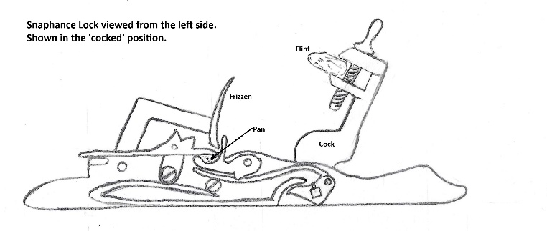 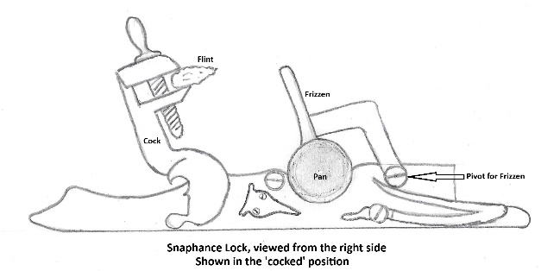
Snapsack | A tubular leather sack with a drawstring
Spike | A wooden shaft fitted with a metal tip. Used to train a gun by levering the carriage sideways.
Sponge | A long pole with a wooden plug on one end covered in sheep skin. This would be soaked in water and used to extinguish any burning material from a gun barrel after firing.
sweet oil | In the 18th century, "sweet oil", in the medical sense, was olive oil. It was also used for lubrication of small arms, watches, and many other things, as was sperm whale oil.
Tacklefalls | A rope for applying force to the blocks of a tackle.
Tallow | Fat rendered from beef or pork suet used by plumbers and shipwrights for a number of purposes. It was also used to grease the former when making paper cartridges.
Tampion | A wooden plug used to stop the barrel of a great gun to prevent ingress of water.
Thos | Thomas
Tow | In the textile industry, a tow is a coarse, broken fibre, removed during processing flax, hemp, or jute and separated from the chives. Flax tows are often used as upholstery stuffing and oakum. Tows in general are frequently cut up to produce staple fibre. | https://en.wikipedia.org/wiki/Tow_(fibre)
trunnions | projections on the side of a gun's barrel used to position it in the carriage.
Tumbrel | a farm cart for carrying dung , esp one that tilts backwards to deposit its load . | https://en.wikipedia.org/wiki/Tumbrel
Turlock coat | trench coat
uns | unusable
Viz | The abbreviation viz. (or viz without a full stop) is short for the Latin videlicet, which itself is a contraction of the Latin phrase videre licet, meaning "it is permitted to see". It is used as a synonym for "namely", "that is to say", "to wit", "which is", or "as follows". It is typically used to introduce examples or further details to illustrate a point. | https://en.wikipedia.org/wiki/Viz.
wch | which
Wedges | used to control the recoil of guns. They would be placed behind the wheels.
White Rope | Untarred hemp rope used for halyards and long lines.
Wm | William
Worm | A long pole with a spiral of iron fixed to one end, used to scrape residue from a gun's barrel after firing.
wth | With
Ye | The
Yr | Your

Anatomy of a Gun
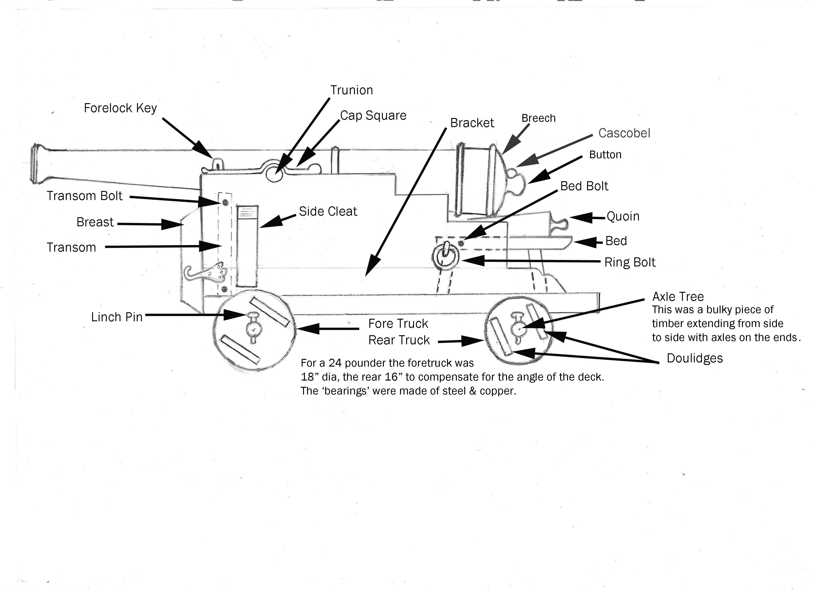
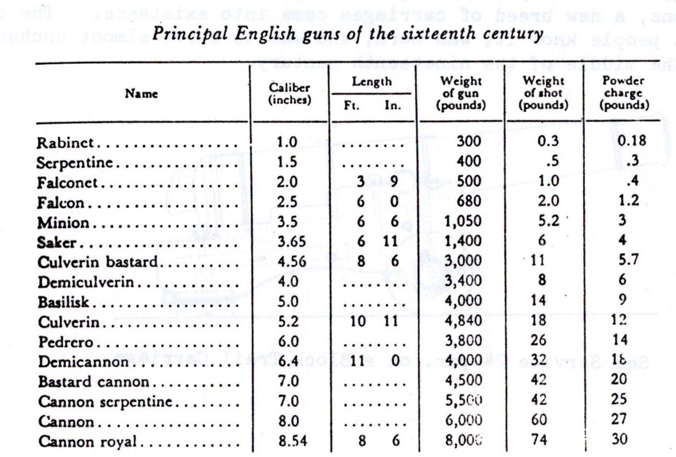

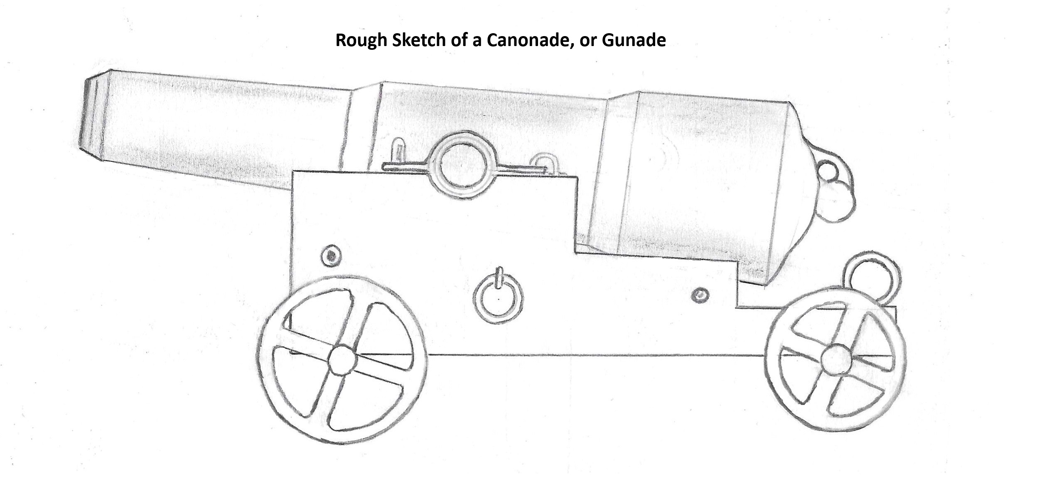
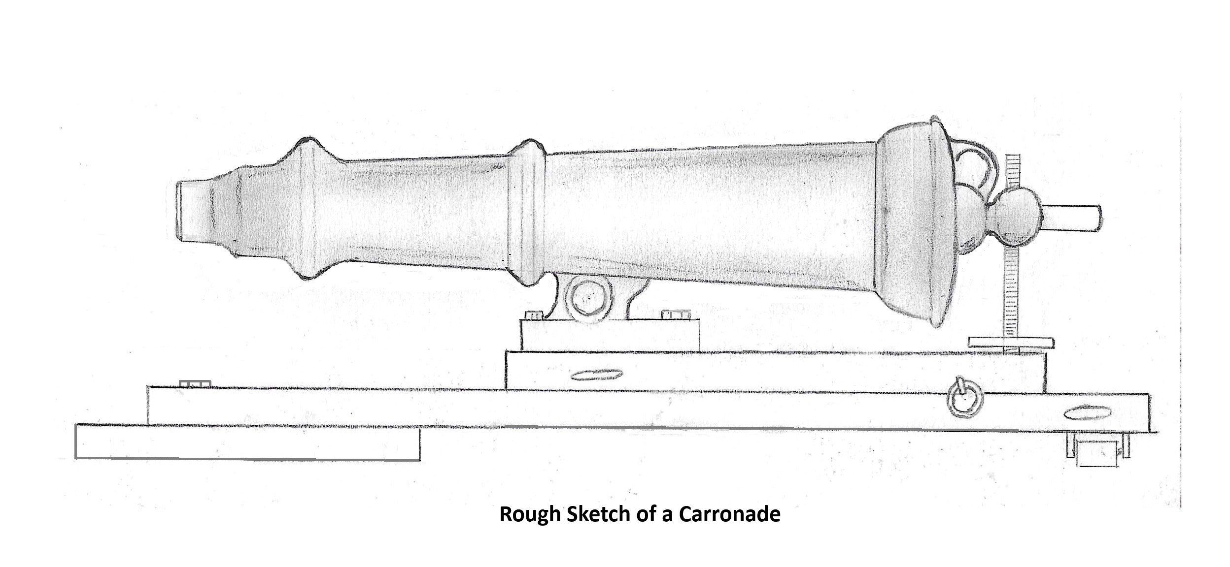




Weights & Measures
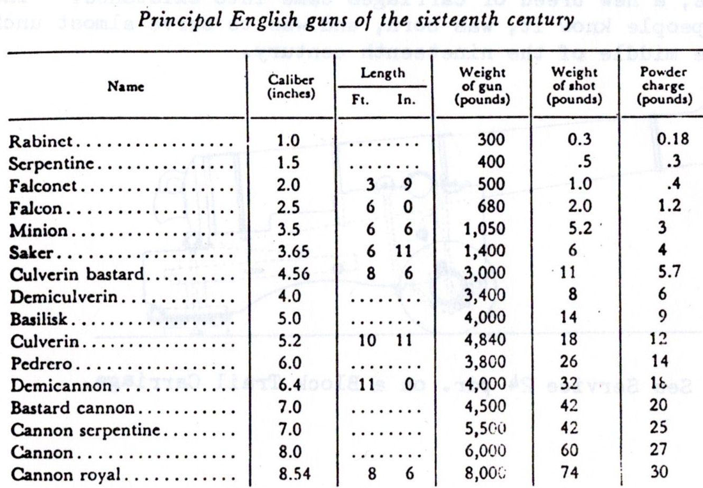
Weights |  |  |  |  | Symbol | Quantity |  |  | Symbol | Lengths |  |  |  | Symbol | Currency
Ounce |  |  |  | oz |  | Quire | 25 sheets | Qr |  | Inch |  |  | in |  | Pounds | Shillings | Pence
Pound | 16oz |  |  | lb |  | Ream (Rheam) | 500 sheets | Rm or Rh |  | Foot | 12 in |  | ft |  | £ | S | D
Stone | 14 lb |  |  | st |  | Gallon | 8 pints | Gal |  | Yard | 3 ft
Quarter or Tod | 28 lb | 2 stone | 1/4 cwt | qt |  | Dozen | 12 | doz |  | Ell | 1 cubit | Ell
Hundredweight | 112 lb | 8 st |  | cwt |  | Falt | 9 Busshells (dry) |  |  | Fathom | 6 ft
Ton | 2240 lb | 160 st | 20 cwt | Ton |  | Busshel | 8 gallons (dry) |  |  | Sconion | 60-72 ft
Clove or nail | 7lb |  |  |  |  |  |  |  |  | Skein | 360 feet |  |  |  | 20 Shillings | 12 pence
 |  |  |  |  |  |  |  |  |  | Cable/Stade | 600 ft | 10 fa | Cb
The above 'Imperial' weights differ from North American customary system where a ton is 2000lb. |  |  |  |  |  |  |  |  |  | Cablet | 720 ft
 |  |  |  |  |  |  |  |  |  | Nautical Mile | 10 Cables
 |  |  |  |  |  |  |  |  |  | League | 3 Nautical Miles

